Example
4 WEEKLY - TIMESHEET ATLAS INEXCO

Please e-mail the signed and approved timesheet to:
timesheets@atlasinexco.com

 | Assignee: |  |  |  | Client:
 | Function: |  |  |  | Project:
 |  |  |  |  | Vessel / Work Site: |  |  |  |  | ( if applicable )

Example
Please use the following code to fill out your Timesheet:
W = Work WT = Work / travel T = Travel C = Course S = Sick ST = Standby Days
Overtime is only payable after written approval by the client
 | PERIOD 8
 | Weekdays | Date | Code | Days / Hours | Overtime |  | Remarks
Week 29 | Monday | 2025-07-14 | L
 | Tuesday | 2025-07-15 | L
 | Wednesday | 2025-07-16 | L
 | Thursday | 2025-07-17 | L
 | Friday | 2025-07-18 | L
 | Saturday | 2025-07-19 | L
 | Sunday | 2025-07-20 | L
Week 30 | Monday | 2025-07-21 | T | 1
 | Tuesday | 2025-07-22 | WT | 1
 | Wednesday | 2025-07-23 | W | 1 | 2 | Extra handover
 | Thursday | 2025-07-24 | W | 1
 | Friday | 2025-07-25 | W | 1
 | Saturday | 2025-07-26 | W | 1 | 2 | Cable broken
 | Sunday | 2025-07-27 | W | 1
Week 31 | Monday | 2025-07-28 | W | 1
 | Tuesday | 2025-07-29 | W | 1
 | Wednesday | 2025-07-30 | W | 1
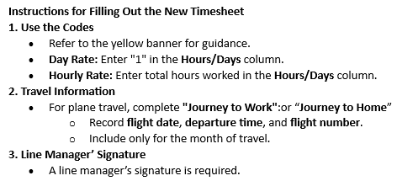
 | Thursday | 2025-07-31 | W | 1
 | Friday | 2025-08-01 | W | 1
 | Saturday | 2025-08-02 | W | 1
 | Sunday | 2025-08-03 | W | 1
Week 32 | Monday | 2025-08-04 | W | 1
 | Tuesday | 2025-08-05 | W | 1
 | Wednesday | 2025-08-06 | W | 1
 | Thursday | 2025-08-07 | W | 1
 | Friday | 2025-08-08 | W | 1
 | Saturday | 2025-08-09 | W | 1
 | Sunday | 2025-08-10 | W | 1

 |  | Totals |  | 21 | 4 |  | Note: Please include your flight details
 |  |  |  |  |  |  | ( if applicable )
 |  |  |  |  |  |  | Journey to Work: | Date: | Time: | Flight No.
Name assignee: |  |  | Name line manager: |  |  |  | Departure Flight: | 2025-07-21 | 15:36:00 | KL-305
 |  |  |  |  |  |  | Hotel overnight stay: |  | X | X
 |  |  |  |  |  |  | Arrival at work destination: |  |  | X

 |  |  |  |  |  |  | Journey to Home: | Date: | Time: | Flight No.
Signature assignee: |  |  | Signature line manager: |  |  |  | Leaving the work location: |  |  | X
 |  |  |  |  |  |  | Hotel overnight stay: |  | X | X
 |  |  |  |  |  |  | Arrival nearest airport:
 |  |  |  |  |  |  | Additional information:
! Use tab below !

